Sheet1
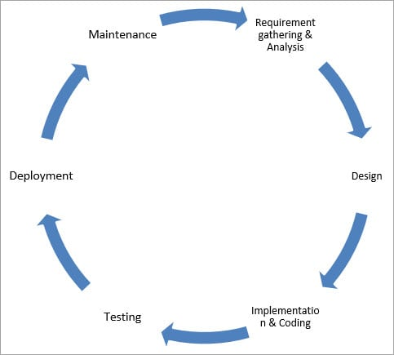
SDLC (Software Development Life Cycle) Phases, Methodologies, Process, and Models | Definition | Advantages | Disadvantages | When to Use
Waterfall Model | 1. Classical model used to create a system with a linear and sequential approach. 2. Waterfall because the model develops systematically from one phase to another in a downward fashion. | 1. Simple and easy to understand and use. 2. Easy to manage due to the rigidity of the model – each phase has specific deliverables and a review process. 3. In this model phases are processed and completed one at a time. Phases do not overlap. 4. Waterfall model works well for smaller projects where requirements are clearly defined and very well understood. | 1. Once an application is in the testing stage, it is very difficult to go back and change something that was not well-thought out in the concept stage. 2. Not a good model for complex and object-oriented projects 3. Not suitable for the projects where requirements are at a moderate to high risk of changing. | 1. This model is used only when the requirements are very well known, clear and fixed. 2. Product definition is stable. 3. Technology is understood. 4. There are no ambiguous requirements 5. Ample resources with required expertise are available freely 6. The project is short.
V-Shaped Model. | 1. means Verification and Validation model 2. sequential 3. Each phase must be completed before the next phase begins 4. Testing of the product is planned in parallel with a corresponding phase of development in V-model | 1. Simple and easy to use. 2. Testing activities like planning, test designing happens well before coding. This saves a lot of time. Hence higher chance of success over the waterfall model. 3. Proactive defect tracking – that is defects are found at early stage. 4. Avoids the downward flow of the defects. 5. Works well for small projects where requirements are easily understood. | 1. Very rigid and least flexible. 2. Software is developed during the implementation phase, so no early prototypes of the software are produced. 3. If any changes happen in midway, then the test documents along with requirement documents has to be updated. | 1. The V-shaped model should be used for small to medium sized projects where requirements are clearly defined and fixed. 2. The V-Shaped model should be chosen when ample technical resources are available with needed technical expertise.
Prototype Model.
Spiral Model.
Iterative Incremental Model.
Big Bang Model.
Agile Model. | 1. type of Incremental model 2. Software is developed in incremental, rapid cycles 3. results in small incremental releases with each release building on previous functionality. 4.Each release is thoroughly tested to ensure software quality is maintained. It is used for time critical applications. 5. Extreme Programming (XP) is currently one of the most well known agile development life cycle model. | 1. Customer satisfaction by rapid, continuous delivery of useful software. 2. People and interactions are emphasized rather than process and tools. Customers, developers and testers constantly interact with each other. 3. Working software is delivered frequently (weeks rather than months). 4. Face-to-face conversation is the best form of communication. 5. Close, daily cooperation between business people and developers. 6. Continuous attention to technical excellence and good design. 7. Regular adaptation to changing circumstances. 8. Even late changes in requirements are welcomed | 1. In case of some software deliverables, especially the large ones, it is difficult to assess the effort required at the beginning of the software development life cycle. 2. There is lack of emphasis on necessary designing and documentation. 3. The project can easily get taken off track if the customer representative is not clear what final outcome that they want. 4. Only senior programmers are capable of taking the kind of decisions required during the development process. Hence it has no place for newbie programmers, unless combined with experienced resources. | 1. used where requirments changes frequently. | 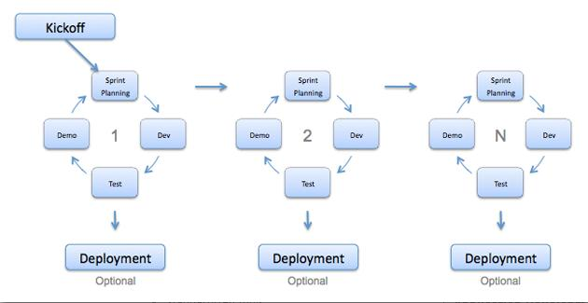

Sheet3
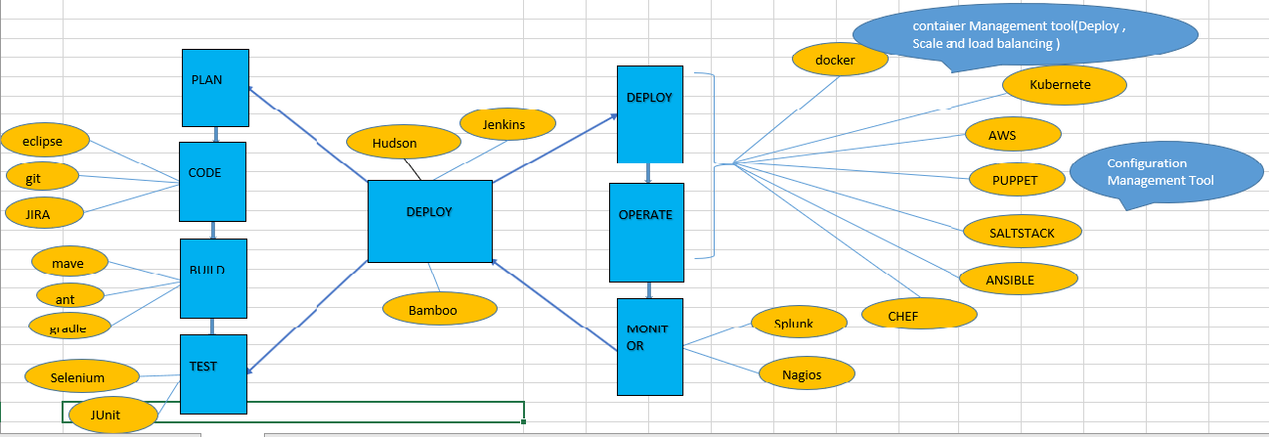
DevOps
 | it’s a software development stratergy
 | it bridges gap between Dev side and Ops side of the company
 | it's not a technology; it’s a methodology
 | Study of Building evolving and Operating rapidly changing system at Scale
 | practice of operation and development engineers, participating together in entire Software life cycle from design through the development process to production support

container Management tool(Deploy , Scale and load balancing )

PLAN
docker
DEPLOY
Kubernete

Jenkins
eclipse
Hudson
AWS
CODE
Configuration Management Tool
git
PUPPET
DEPLOY
OPERATE
JIRA
SALTSTACK
maven
BUILD
ANSIBLE
ant
Bamboo
MONITOR
CHEF
gradle
Splunk
TEST
Selenium
Nagios

JUnit

